5.3_SDGs
Back to content
Index
 | Implementing the Sustainable Development Goals (SDGs) and Achieving SDG Targets: Our Actions on Material Topics

 | As in our previous reports, we established a direct link between our key material topics and our focus SDGs and their respective targets. The matching is based on our own understanding of our areas of impact and their specific contribution to the SDGs while also taking into consideration relevant guidance documents provided by the UN Global Compact and GRI such as their “An analysis of the goals and targets” 2017 and 2022 versions.

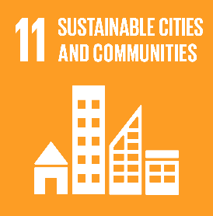
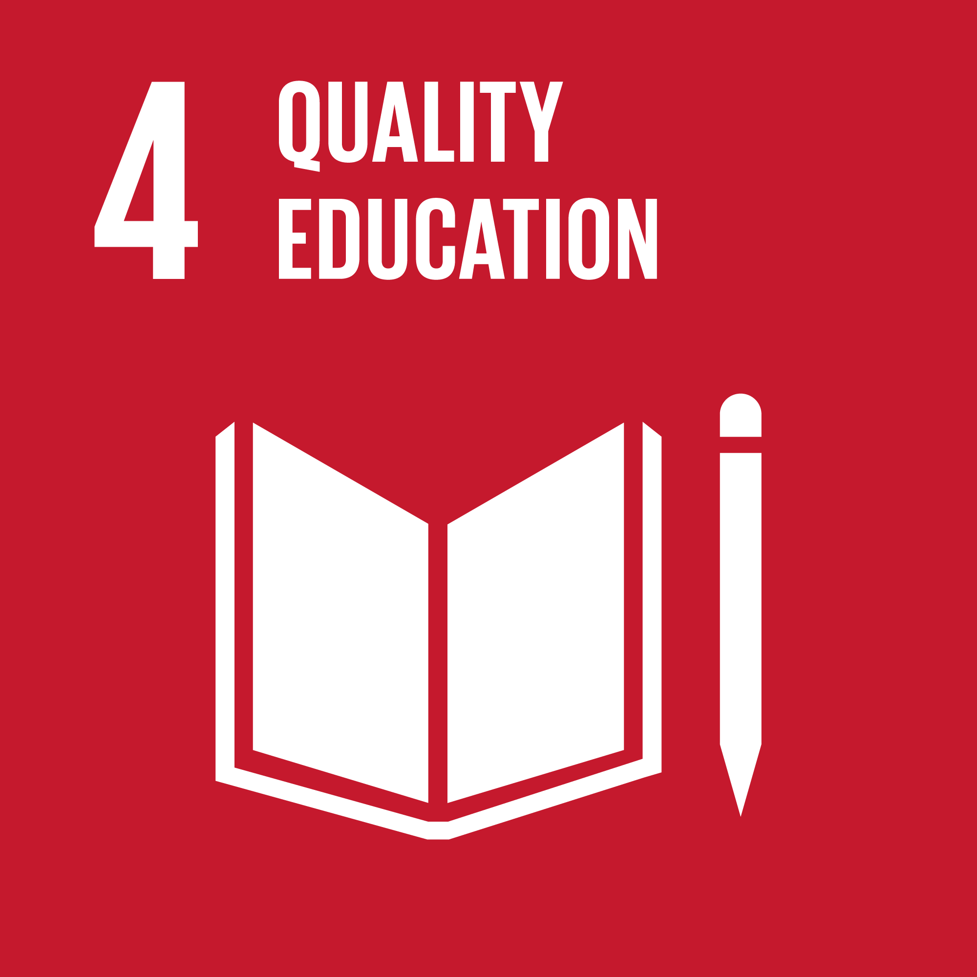
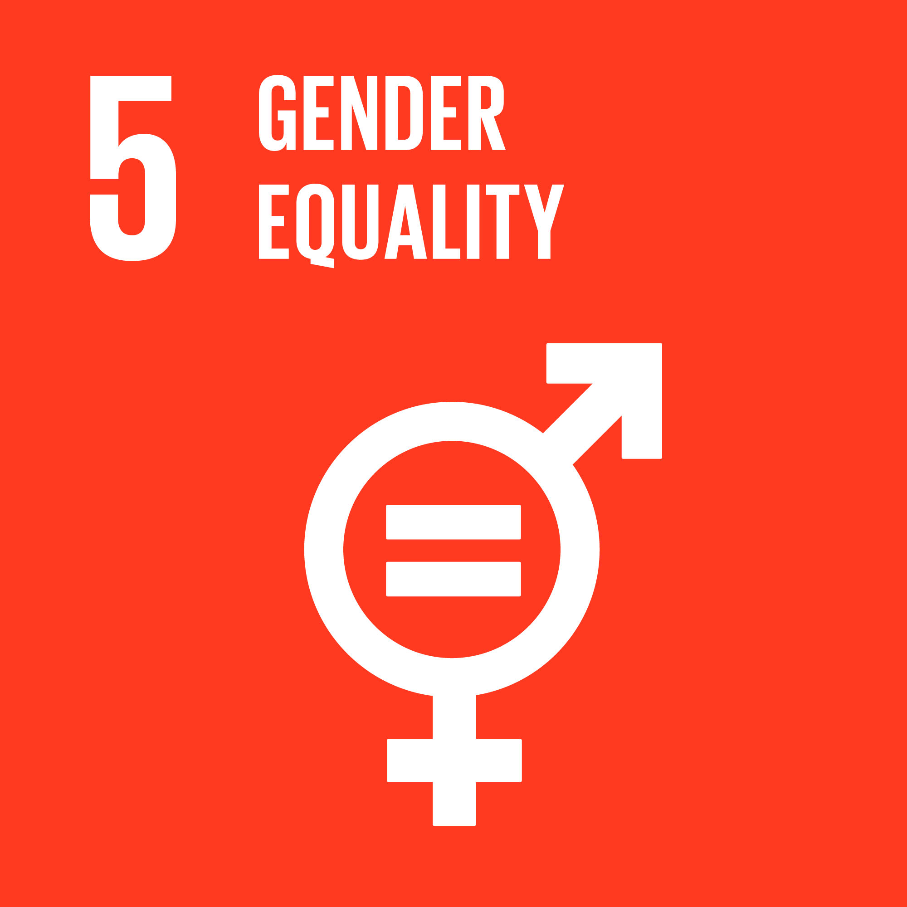
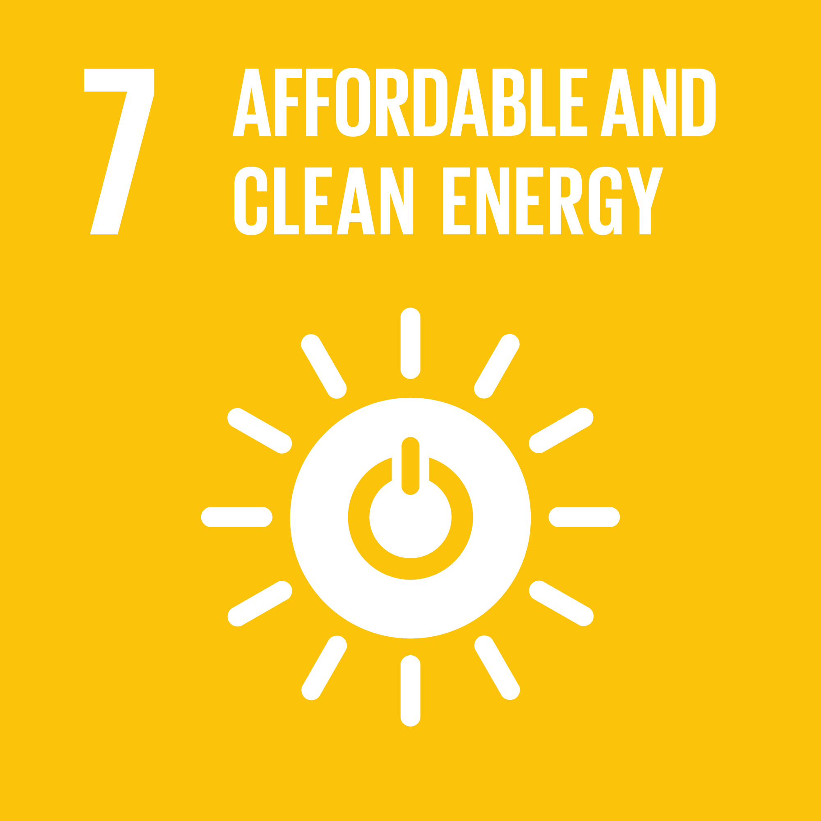
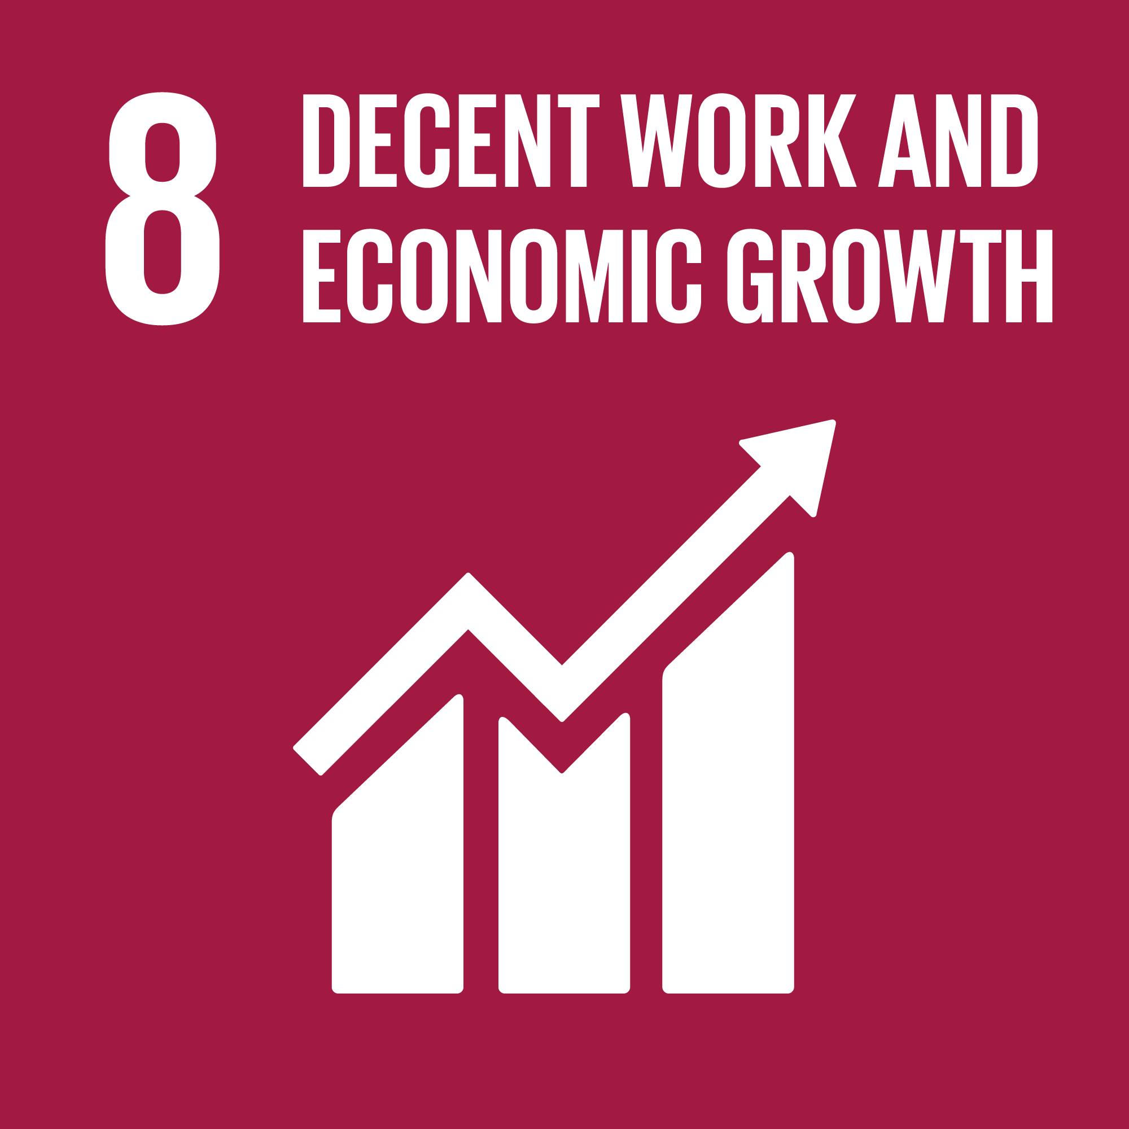
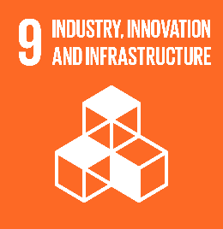
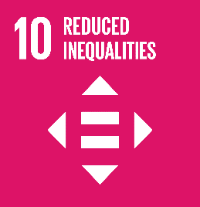
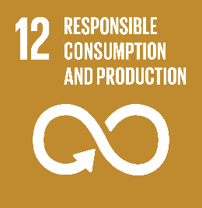
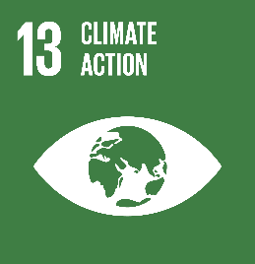
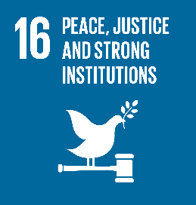

 | SDG 4 Quality education
 | Related material topic(s) | Staff development |  | Staff development |  | Staff development
 | Associated SDG target | 4.3 By 2030, ensure equal access for all women and men to affordable and quality technical, vocational and tertiary education, including university |  | 4.4 By 2030, substantially increase the number of youth and adults who have relevant skills, including technical and vocational skills, for employment, decent jobs and entrepreneurship |  | 4.7 By 2030, ensure that all learners acquire the knowledge and skills needed to promote sustainable development, including, among others, through education for sustainable development and sustainable lifestyles, human rights, gender equality, promotion of a culture of peace and nonviolence, global citizenship and appreciation of cultural diversity and of culture’s contribution to sustainable development
 | Our actions | We offer a comprehensive training continuum for all employees, conducted online, on-the-job and at our training centres. |  | In 2023, 451,749 hours of training were provided to ProCredit staff, which is an average of 14 days of training per employee over a year. |  | We provide continuous training in sustainability topics, including:
 |  | Professional growth is based on meritocracy, our colleagues’ attitude, and their qualifications. |  | Training costs amounted to EUR 9.4m in 2023. |  | At least one training session on green topics for all employees once a year (environmental measures at work and in private life, sustainable business and personal practices, management of E&S risks).
 |  | In 2023, a total of 30 employees graduated from our Management Academy. This represents a 50% increase compared to the number of Management Academy graduates in both 2021 and 2022. |  | Approximately 16% of our staff are currently attending or have graduated from the Banker and/or Management Academy. |  | At least one training session on social topics for all employees once a year (Code of Conduct) (human rights, diversity, democracy, ethics).
 |  | On average, between 2021 and 2023, 9 women and 15 men graduated from the Management Academy. |  |  |  | Twice-yearly green seminar for environmental, credit risk and business department staff (environmental measures and performance, sustainable business, management of E&S risks).
 |  |  |  |  |  | In 2023, we developed and conducted enhanced training courses in the following areas: ESG training and renewable energy project finance.
 |  |  |  |  |  | In 2023, we trained our entire staff to understand the root causes of issues related to gender inequality in society.
 |  |  |  |  |  | A quarterly eco-newsletter is distributed to all employees.
 |  |  |  |  |  | We provided a total of 11,059 hours of environmental training.
 |  |  |  |  |  | We provided a total of 21,613 hours of Code of Conduct training, which is more than in the previous few years, resembling pre-pandemic levels.

 | SDG 5 Gender equality
 | Related material topic(s) | Fair recruiter and employer |  |  | Ethical values and working environment
 | Associated SDG target | 5.1 End all forms of discrimination against all women and girls everywhere |  |  | 5.5 Ensure women’s full and effective participation and equal opportunities for leadership at all levels of decision-making in political, economic and public life
 | Our actions | We utilise a standardised and transparent recruitment process for all candidates, including interviews, tests and group discussions. The same process is applied for all applicants regardless of gender, seniority, experience or the role they apply for. |  |  | Females account for 35% of the management board members in the ProCredit banks and for 47% of the supervisory board.
 |  | Our approach is based on transparent performance management and a long-term career perspective, taking the personal and family situation of individuals into account. Our clearly structured staff recruitment process is defined in the ProCredit Group Human Resources Policy. |  |  | The average length of service for female management board members is 14.2 consecutive years compared to 12.3 for male management board members, demonstrating that women in leading positions are encouraged to stay long term.
 |  | Our transparent salary structure is based on fixed salaries, which are defined in the Group Human Resources Policy.
 |  | Between 2021 and 2023, 37% of Management Academy graduates were women.
 |  | All colleagues are strongly encouraged to address unethical behaviour with their respective managers, HR, Internal Audit, the Compliance Officer, or Management.
 |  | Additionally, all staff members can express their concerns through a central communication channel at ProCredit Holding. We process all indications of violations consistently and without bias.

 | SDG 7 Affordable and clean energy
 | Related material topic(s) | Environmental management Sustainable finance |  |  | Environmental management Sustainable finance
 | Associated SDG target | 7.2 By 2030, increase substantially the share of renewable energy in the global energy mix |  |  | 7.3 By 2030, double the global rate of improvement in energy efficiency
 | Our actions | Energy consumption: 67% of the electricity we consumed came from renewable energy sources in 2023, compared to 65% in the previous year. |  |  | Total energy intensity stood at 4,746.3 kWh/employee (FTE) in 2023 compared to 5,127.2 kWh/employee (FTE) in 2022.
 |  | Installed renewable energy capacity at own premises: 466.3 kWp. |  |  | Total energy consumption increased by 2.3% between 2022 and 2023.
 |  | RE projects in the loan portfolio amounted to EUR 459.9m in 2023, compared to an average outstanding amount of EUR 337.8m over 2021 and 2022. |  |  | EE loans amounted to EUR 591.2m in 2023, pushing industry standards forward with a minimum of 20% energy savings for eligibility.
 |  |  |  |  | Our banks offer green deposit facilities, enabling private savers to directly support green lending.

 | SDG 8 Decent work and economic growth
 | Related material topic(s) | Technology and innovation | Economic development | Sustainable finance Environmental management | Fair recruiter and employer | Prudent credit risk management | Ethical values and working environment
 | Associated SDG target | 8.2 Achieve higher levels of economic productivity through diversification, technological upgrading and innovation, including through a focus on high value added and labour-intensive sectors | 8.3 Promote development-oriented policies that support productive activities, decent job creation, entrepreneurship, creativity and innovation, and encourage the formalisation and growth of micro-, small- and medium-sized enterprises, including through access to financial services | 8.4 Improve progressively, through 2030, global resource efficiency in consumption and production and endeavour to decouple economic growth from environmental degradation, in accordance with the 10-year framework of programmes on sustainable consumption and production, with developed countries taking the lead | 8.5 By 2030, achieve full and productive employment and decent work for all women and men, including for young people and persons with disabilities, and equal pay for work of equal value | 8.7 Take immediate and effective measures to eradicate forced labour, end modern slavery and human trafficking and secure the prohibition and elimination of the worst forms of child labour, including recruitment and use of child soldiers, and by 2025 end child labour in all its forms | 8.8 Protect labour rights and promote safe and secure working environments for all workers, including migrant workers, in particular women migrants, and those in precarious employment
 | Our actions | Our Direct Banking strategy developed continuously with the digitalisation of financial and non-financial services. | The group achieved a significant indirect economic impact through promoting SMEs in transition economies: about 73,600 business clients, most of which are SMEs. | Green topics are selected annually and supported with marketing activities in order to address clients, employees and the general public across all ProCredit countries. | New employees from all age groups were hired and there are no significant differences in turnover rates across gender or age groups. | Our human rights management and processes are summarised in our Human Rights Statement. | The Code of Conduct, the group’s ethical compass, is publicly accessible to all stakeholders.
 |  |  | Our strong sense of responsibility as a bank was reflected in the support of our clients throughout the war in Ukraine. | Environmentally friendly projects: we continually develop criteria for investments related to sustainable agriculture and a circular economy. | The key principles of what constitutes the ProCredit “Res Publica” are institutionalised through the Code of Conduct. | Our Exclusion List forbids establishing a business relationship with clients or suppliers that engage in activities involving harmful or exploitative forms of forced labour/harmful child labour. | All potential suppliers are subject to a screening process to ensure that they meet all of our environmental and social criteria as well as the core values laid out in our Code of Conduct. There are two exceptions to the screening process: - freelancers working alone - public entities for which we do not have any other option for the provided service (e.g. water utility)
 |  |  | According to the Joint Impact Model (JIM), the total results for the direct and supply chain effects of our loan portfolio are estimated at 193,344 jobs supported and EUR 664.3m value added in taxes, of which 42% correspond to women and 7% to youth (See Tab 3.2 for details). | Printing paper use intensity increased by 6.1% compared to 2022, while indoor water consumption intensity (m3/FTE) decreased by 7.8% during the same time period. | The average salaries at ProCredit entities are well above the average salaries across all regions. | A due diligence process is applied to clients and suppliers to ensure that human and labour rights are respected. | All employees have the opportunity to take English classes. The international environment, with its huge range of different country backgrounds, promotes inclusion and diversity among staff.
 |  |  |  | A working group tasked with developing sustainable procurement guidelines, including a definition of what a sustainable supplier is, was formed in 2023. | The Group Human Resources Policy ensures a transparent salary structure with fixed salaries. | The share of suppliers checked against our Exclusion List (human and labour rights, child labour, and others) is 90%.

 | SDG 9 Industry, innovation and infrastructure
 | Related material topic(s) | Economic development Sustainable finance |  |  | Sustainable finance
 | Associated SDG target | 9.3 Increase the access of small-scale industrial and other enterprises, in particular in developing countries, to financial services, including affordable credit, and their integration into value chains and markets |  |  | 9.4 By 2030, upgrade infrastructure and retrofit industries to make them sustainable, with increased resource-use efficiency and greater adoption of clean and environmentally sound technologies and industrial processes, with all countries taking action in accordance with their respective capabilities
 | Our actions | Green bonds were issued for emerging countries with the IFC to promote green investments by SMEs in 2018. |  |  | We continuously promote investments in energy and resource efficiency, renewable energies and environmentally friendly practices, mainly among SMEs.
 |  | Our banks provide financing to energy communities. |  |  | We have invested in greening our own premises in line with the EDGE green building standard scheme: six buildings with EDGE-certification at group level, with ProCredit Bank Ukraine attaining certification in 2023.
 |  | Our lending activities support investments in innovation and green technologies: 26% of our investment loans are classified as green, while close to a quarter of our business portfolio is dedicated to productive sectors, with industry playing the most important role.

 | SDG 10 Reduced inequalities
 | Related material topic(s) | Economic development |  |  | Economic development
 | Associated SDG target | 10.2 By 2030, empower and promote the social, economic and political inclusion of all, irrespective of age, sex, disability, race, ethnicity, origin, religion or economic or other status |  |  | 10.5 Improve the regulation and monitoring of global financial markets and institutions and strengthen the implementation of such regulations
 | Our actions | By pursuing international standards and best practices that often go beyond the requirements of local regulations (for instance when it comes to environmental and social risk management, procurement practices and internal environmental management), the ProCredit group contributes significantly to change in our regions of operation. Specifically, ProCredit’s business activities contribute to stimulating the GDP of less-developed European countries and to reducing inequality in our countries of operation in comparison with Western Europe. |  |  | Our business model focuses on providing financial services to innovative companies with a high degree of formalisation and digitalisation. We support them in their efforts to become more formal and comply with strict EU and international regulations as part of the opening up of new markets. This helps them to unlock access to financial services, such as loans, guarantee schemes and grants.

 | SDG 11 Sustainable cities and communities
 | Related material topic(s) | Prudent credit risk management Sustainable finance |  |  | Environmental management Sustainable finance
 | Associated SDG target | 11.5 By 2030, significantly reduce the number of deaths and the number of people affected and substantially decrease the direct economic losses relative to global gross domestic product caused by disasters, including water-related disasters, with a focus on protecting the poor and people in vulnerable situations |  |  | 11.6 By 2030, reduce the adverse per capita environmental impact of cities, including by paying special attention to air quality and municipal and other waste management
 | Our actions | We conduct regular reviews of transition risk and carry out physical climate risk analyses that consider economic subsectors and specific geographies. |  |  | We have set up an internal waste management system that is applied in most of our countries of operation.
 |  | We provide financing for climate change mitigation and adaptation through our green lending portfolio, which represents 20.4% of our total portfolio. |  |  | Our green lending criteria support other environmental measures, including recycling and waste management.
 |  |  |  |  | Electric and hybrid plug-in cars make up 61% of our car fleet. We offer a network of electric vehicle chargers for our customers across our countries of operation. The app can be downloaded here: https://play.google.com/store/apps/details?id=com.procredit.electricstations
 |  |  |  |  | Our green lending criteria support investment in green construction, electric vehicles and other environmental measures, including recycling and waste management.

 | SDG 12 Responsible consumption and production
 | Related material topic(s) | Sustainable finance Environmental management |  |  | Environmental management
 | Associated SDG target | 12.2 By 2030, achieve the sustainable management and efficient use of natural resources |  |  | 12.5 By 2030, substantially reduce waste generation through prevention, reduction, recycling and reuse
 | Our actions | ProCredit banks promote green financial products. |  |  | Waste intensity decreased significantly in 2023 – 48.8 t/FTE (tonnes per full-time employee) – compared to 2019 pre-pandemic levels.
 |  | Our environmental management systems are regularly certified at all institutions in line with EMAS (German entities) or ISO 14001 (banks). |  |  | All ProCredit institutions use either FSC-certified or recycled paper.
 |  | All suppliers are screened for sustainable practices. |  |  | Compliance with the group-wide strategy and Exclusion List is ensured to minimise the financing and use of plastic.
 |  |  |  |  | Following the introduction of our Plastic Strategy in 2019, we have been reducing our own total plastic waste from 9.8 tonnes in 2019 to 5.6 tonnes in the present year.
 |  |  |  |  | Since 2022, we have been actively participating in the Finance Leadership Group on Plastic, convened by UNEP FI, with the aim of providing constructive input to the Intergovernmental Negotiating Committee (INC) on ending plastic pollution from a private finance perspective and building awareness and readiness in the private financial sector to respond to the future treaty.

 | SDG 13 Climate action
 | Related material topic(s) | Sustainable finance |  |  | Environmental management Staff development
 | Associated SDG target | 13.1 Strengthen resilience and adaptive capacity to climate-related hazards and natural disasters in all countries |  |  | 13.3 Improve education, awareness raising and human and institutional capacity on climate change mitigation, adaptation, impact reduction and early warning
 | Our actions | Green loans account for 20.4% of our total loan portfolio. |  |  | Specific green training is provided for specialist staff, whereas general green training is provided for all staff.
 |  | We are committed to achieving net-zero emissions by 2050. Our SBTi-validated near-term targets for Scope 3 emissions related to our financed loan portfolio entail engagement with clients responsible for 28% of the group’s portfolio emissions to encourage them to set their own science-based targets by 2027, and continuous financing of renewable energy projects through 2030. |  |  | A regular impact newsletter is distributed to all staff.
 |  | A continuous increase in the tonnes of CO2 in carbon emissions has been avoided in our green portfolio through investments in RE project finance over the last six years: 154.1 tCO2 were avoided in 2023. |  |  | We have committed to reduce our own emissions by 42% by 2030 with 2022 as the base year. The reduction will be achieved by increasing the share of renewable energy providers among our suppliers as well as the number of electric cars in our vehicle fleet, while also introducing more energy efficiency measures at our premises and in our processes.
 |  | Analyses of transition and physical climate risks at the portfolio level have been conducted since 2022.

 | SDG 16 Peace, justice and strong institutions
 | Related material topic(s) | Corporate governance | Corporate governance |  | Corporate governance |  | Reliable partnerships and transparent services
 | Associated SDG target | 16.3 Promote the rule of law at the national and international levels and ensure equal access to justice for all | 16.4 By 2030, significantly reduce illicit financial and arms flows, strengthen the recovery and return of stolen assets and combat all forms of organized crime |  | 16.5 Substantially reduce corruption and bribery in all their forms & 16.6 Develop effective, accountable and transparent institutions at all levels |  | 16.10 Ensure public access to information and protect fundamental freedoms, in accordance with national legislation and international agreements
 | Our actions | Our strict governance framework for selecting clients is reflected in the virtual absence of any significant risk events related to money laundering or terrorist financing since the foundation of the group. | All ProCredit institutions apply German and EU regulatory standards, local AML regulations and international best practices for the prevention of money laundering and other financial crimes. |  | All our banks utilise specialised software systems to identify financial crime. |  | Our audited financial and non-financial reports are available online: https://www.procredit-holding.com/downloads/
 |  | We screen all potential customers against a set of around 700 different sanction lists, blacklists and watch lists. | The Exclusion List clearly forbids financing activities involving the production or trade of weapons and munitions |  | 93 Onboarding Programme participants, 2,880 specialists and 28 managers were trained on financial crime risks in 2023. |  | Our Human Rights Statement is available online at: https://www.procredit-holding.com/wp-content/uploads/2023/03/Human-rights-statement.pdf
 |  |  |  |  | Our anti-corruption policies are publicly available in our Code of Conduct.
 |  |  |  |  | Group-wide Code of Conduct training and updates are provided.
 |  |  |  |  | 100% of client accounts are screened against financial crime risks (including corruption risks).
 |  |  |  |  | Number of significant risks related to corruption identified in 2023: 33.

